3. Results
STEP 3: Prioritize Stakeholders

INSTRUCTIONS
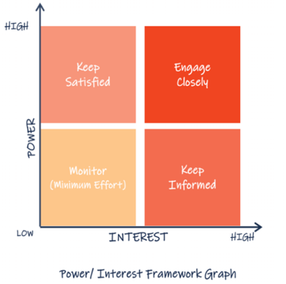 1. According to your responses in tab "1. Identify" and "2. Analyze" the following table will complete automatically. 2. In column H, a PROPOSED ACTION FOR ENGAGEMENT will display for each stakeholder. 3. With this information, you can RANK STAKEHOLDERS to prioritize those who need immediate action for engagement. 4. Also, in the table below, the PESTEL Analysis information will appear automatically retrieving your previous responses in tab "1. Identify", this will assist you to contextualize the proposed actions to be taken for the engagement of each stakeholder. *Note: If the message "Explore Further" displays in the second table, please revisit the tab "1. Identify" and complete the PESTEL Analysis with any additional information you may have.

Primary Stakeholders | Area of Influence | Current Level of Engagement | Level of Influence | Level of Power | Level of Interest: | Proposed Action
 |  | What is the level of engagement of your stakeholder? | How much influence does your stakeholder have? | How much power does your stakeholder have? | How much interest does your stakeholder have?
Stakeholder 1 | 0 | 0 | Low | Low | Low | Keep Informed
Stakeholder 2 | 0 | 0 | Low | Low | Low | Keep Informed
Stakeholder 3 | 0 | 0 | Low | Low | Low | Keep Informed
Stakeholder 4 | 0 | 0 | Low | Low | Low | Keep Informed
Stakeholder 5 | 0 | 0 | Low | Low | Low | Keep Informed
Stakeholder 6 | 0 | 0 | Low | Low | Low | Keep Informed
Stakeholder 7 | 0 | 0 | Low | Low | Low | Keep Informed
Stakeholder 8 | 0 | 0 | Low | Low | Low | Keep Informed

Results from PESTEL Analysis

Political
Explore Further

Economical
Explore Further

Social
Explore Further

Technological
Explore Further

Environmental
Explore Further

Legal
Explore Further

